Sheet1
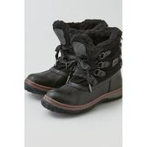
AEGL_7411_8068

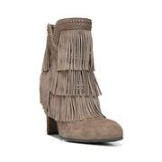
LAT_0500045854478

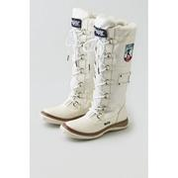
AEGL_7411_8071

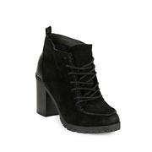
LAT_0500085194280

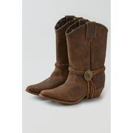
AEGL_7411_8024

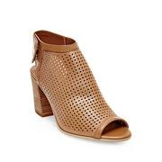
LAT_0500087397659

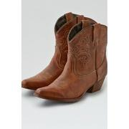
AEGL_7411_8023

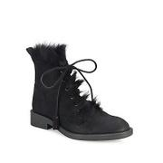
SAKS_0400090813460

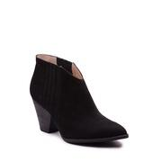
LAT_0500084433127

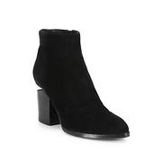
SAKS_0400087358540

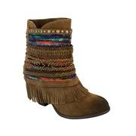
LAT_0500084723832

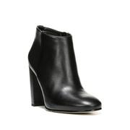
LAT_0500045850450

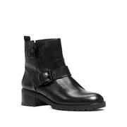
LAT_0500085539062

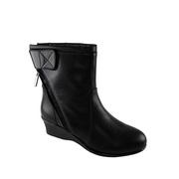
LAT_0500086412806

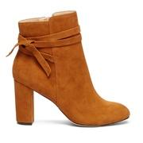
SOLE_148956

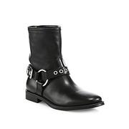
SAKS_0400090660601

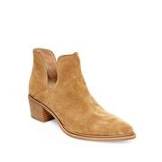
LAT_0500084259415

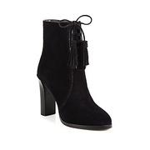
SAKS_0400090558127

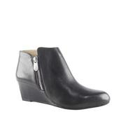
LAT_0500086103108

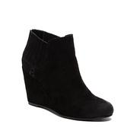
LAT_0500085014876

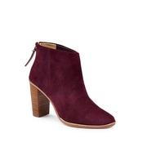
LAT_0500085637783

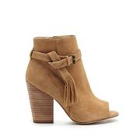
SOLE_148094

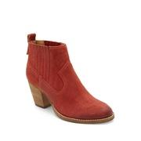
LAT_0500043215862

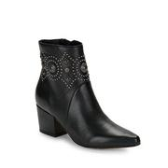
LAT_0500043844745

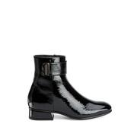
LAT_0500046429627

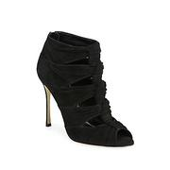
SAKS_0400090536391

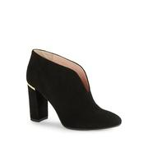
LAT_0500045799806

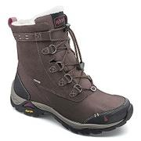
MOOSEJAW_10260125

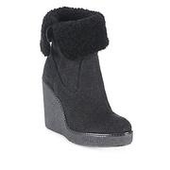
SAKS_0400090609565

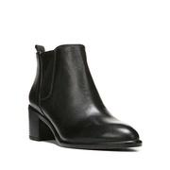
LAT_0500084086487

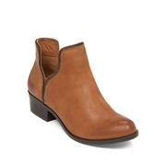
LAT_0500083987149

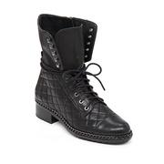
LAT_0500083924902

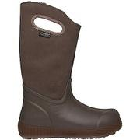
MOOSEJAW_10296702

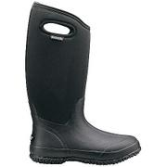
MOOSEJAW_10204236

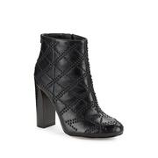
LAT_0500046307781

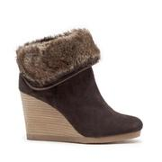
SOLE_139070

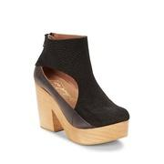
LAT_0500045169810

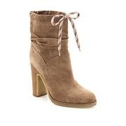
SAKS_0400090211741

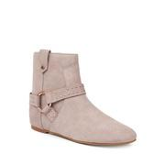
LAT_0500045010907

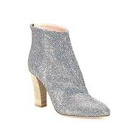
SAKS_0400090383270

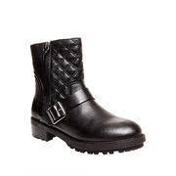
LAT_0500083241620

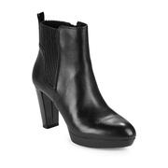
LAT_0500085386217

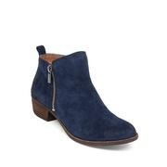
LAT_0500087583985

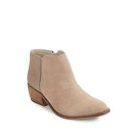
LAT_0500075623009

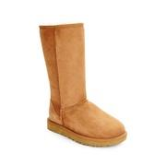
LAT_0500043655745

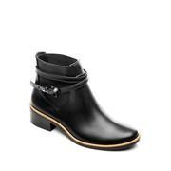
LAT_0500042774604

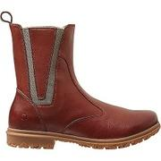
MOOSEJAW_10261990

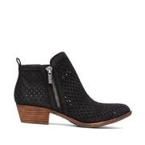
SOLE_146687

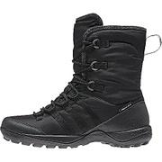
MOOSEJAW_10255704

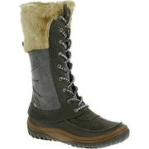
MOOSEJAW_10226400


SOLE_141334


LAT_0500047576988


LAT_0500045044054


MOOSEJAW_10290147


SOLE_149618


SAKS_0400089287724


LAT_0500046471165


LAT_0500086005923


SOLE_149581


LAT_0500084688159


LAT_0500085443687


LAT_0500045990637


SOLE_137607


LAT_0500047516935


LAT_0500084006386


LAT_0500045355666


SAKS_0400090767556


LAT_0500084642461


LAT_0500081848830


LAT_0500045258795


LAT_0500044960789


LAT_0500086904000


MOOSEJAW_10324746


LAT_0500084597780


LAT_0500044892941


LAT_0500084947449


LAT_0500046451803


LAT_0500046457701


SAKS_0400090871735


LAT_0500042883801


LAT_0500043416643


LAT_0500084686138


SOLE_147822


LAT_0500042836833


SAKS_0400090298683


LAT_0500046791224


LAT_0500045745965


LAT_0500082654542


LAT_0500045868163


SAKS_0400089919798


SAKS_0400089000587


LAT_0500046388963


LAT_0500086089091


LAT_0500084191717


LAT_0500045897592


LAT_0500044448330


SAKS_0400090380999


LAT_0500074953811


SOLE_149216


LAT_0500046710166


LAT_0500044795763


LAT_0500045946431


SAKS_0400087255013


LAT_0500046592085


SOLE_149268


LAT_0500046024048


LAT_0500045855582


MOOSEJAW_10022842


LAT_0500046455499


SAKS_0400090335546


LAT_0500068595222


LAT_0500046239323


SAKS_0400090578443


LAT_0500089050454


LAT_0500084992718


LAT_0500042889063


SAKS_0400090452110


LAT_0500083928531


SOLE_134245


LAT_0500047000864


LAT_0500045776523


LAT_0500085912921


LAT_0500044244259


LAT_0500044330199


LAT_0500044953180


LAT_0500084188028


LAT_0500045093531


SAKS_0400086926152


SAKS_0400090044438


SAKS_0400091792549


LAT_0500046967501


MOOSEJAW_10262255


LAT_0500089372155


LAT_0500043856780


SOLE_149476


SAKS_0400090413592


LAT_0500043466663


SAKS_0400089917058


LAT_0500084124916


LAT_0500046320016


LAT_0500018950774


LAT_0500087344198


SOLE_147279


MOOSEJAW_10296697


LAT_0500044538445


SAKS_0400090660773


SAKS_0400088699866


LAT_0500044518991


LAT_0500085959310


SAKS_0400090353973


LAT_0500044385938


MOOSEJAW_10255279

